Sheet1
Method |  | Iteration | a/x0 | b/x1 | Midpoint/Next x | f(value) | Condition/Note
Bisection | 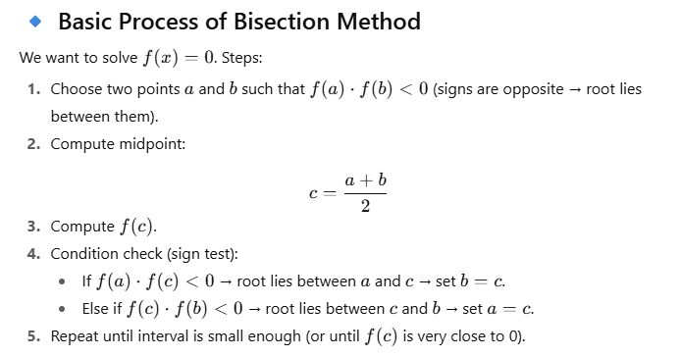 | 1 | 1 | 2 | 1.5 | -0.125 | f(a)f(c)>0 → new interval [1.5,2] | 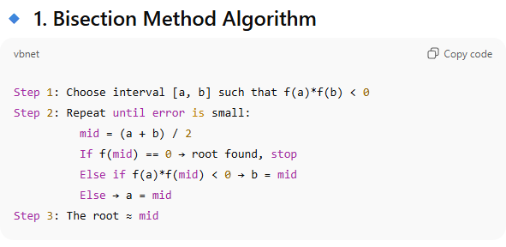 | .
 |  | 2 | 1.5 | 2 | 1.75 | 1.609 | f(a)f(c)<0 → new interval [1.5,1.75]
 |  | 3 | 1.5 | 1.75 | 1.625 | 0.666 | f(a)f(c)<0 → new interval [1.5,1.625]
 |  | 4 | 1.5 | 1.625 | 1.5625 | 0.252 | f(a)f(c)<0 → new interval [1.5,1.5625]
 |  | 5 | 1.5 | 1.5625 | 1.5313 | 0.0617 | f(a)f(c)<0 → new interval [1.5,1.5313]
 |  | 6 | 1.5 | 1.5313 | 1.5156 | -0.031 | f(a)f(c)>0 → new interval [1.5156,1.5313]

False Position | 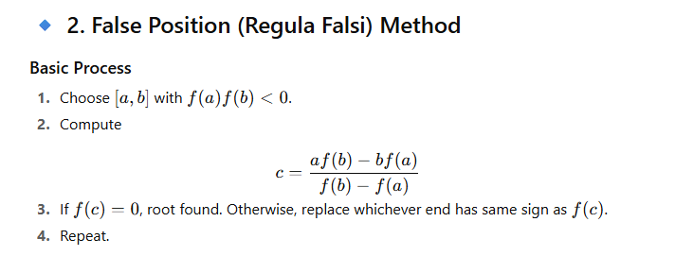 | 1 | 1 | 2 | 1.3333 | -0.9629 | f(a)f(c)>0 → new interval [1.3333,2] | 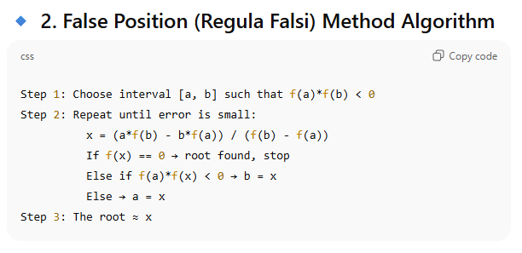
 |  | 2 | 1.3333 | 2 | 1.4627 | -0.3333 | f(a)f(c)>0 → new interval [1.4627,2]
 |  | 3 | 1.4627 | 2 | 1.504 | -0.1036 | f(a)f(c)>0 → new interval [1.5040,2]
 |  | 4 | 1.504 | 2 | 1.5163 | -0.0259 | f(a)f(c)>0 → new interval [1.5163,2]
 |  | 5 | 1.5163 | 2 | 1.52 | -0.0081 | f(a)f(c)>0 → new interval [1.5200,2]

Newton-Raphson | 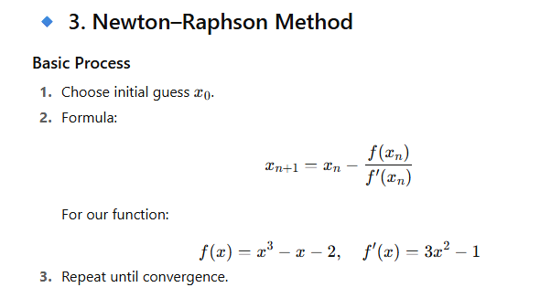 | 0 | 1.5 |  |  | -0.125 | Initial guess | 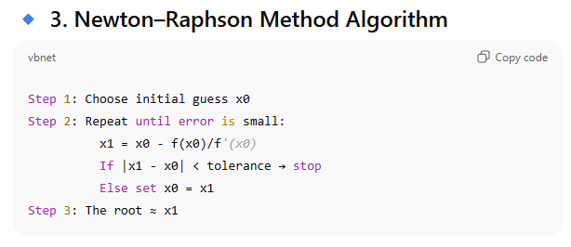
 |  | 1 | 1.5217 |  |  | 0.0021 | Converging fast
 |  | 2 | 1.5214 |  |  | 0 | Root found

Secant | 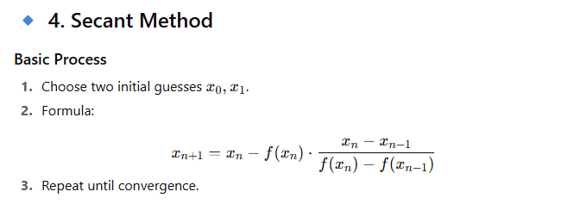 | 0 | 1 | 2 | 1.3333 | -0.9629 | Using x0=1, x1=2 | 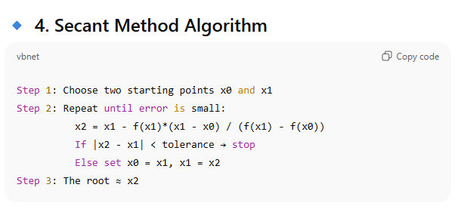
 |  | 1 | 2 | 1.3333 | 1.4627 | -0.3333 | Iteration 1
 |  | 2 | 1.3333 | 1.4627 | 1.504 | -0.1036 | Iteration 2
 |  | 3 | 1.4627 | 1.504 | 1.5163 | -0.0259 | Iteration 3
 |  | 4 | 1.504 | 1.5163 | 1.52 | -0.0081 | Iteration 4
 |  | 5 | 1.5163 | 1.52 | 1.5213 | -0.0022 | Iteration 5

